Campaign Period
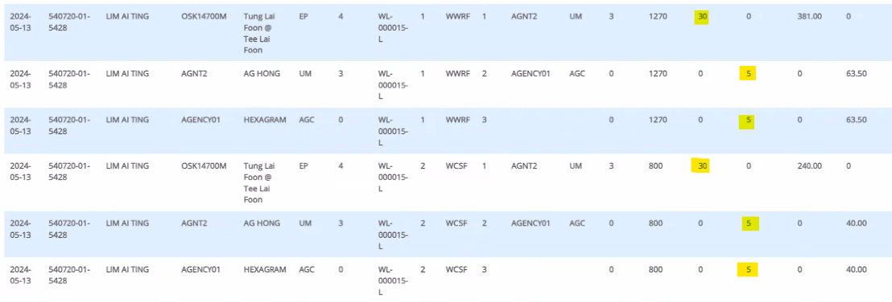
Agency - AGENCY01
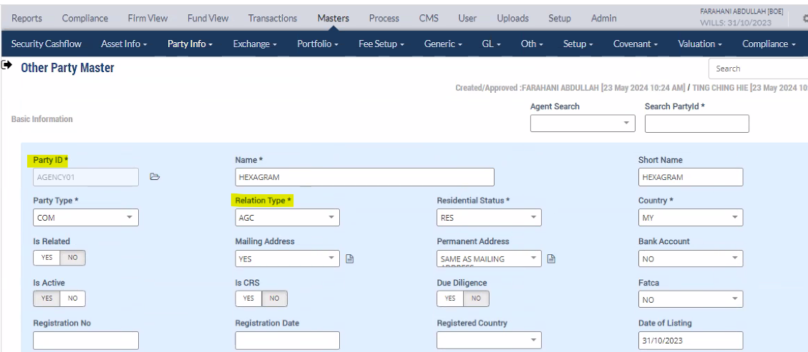

Campaign Details under Agency

Commission Setup for particular Agency Effective from 31-10-2023(Campaign Begin Date)
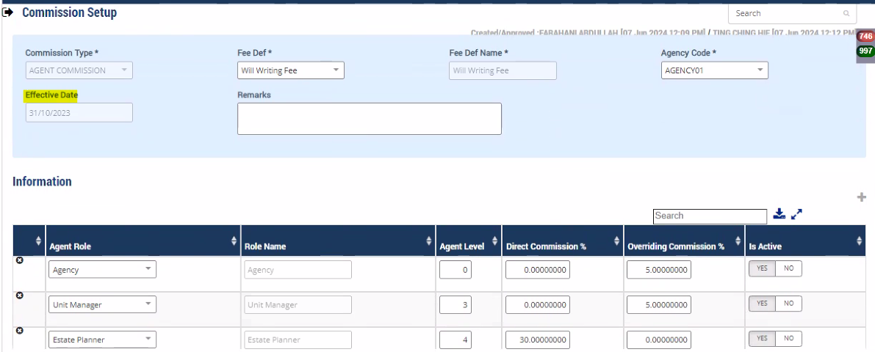

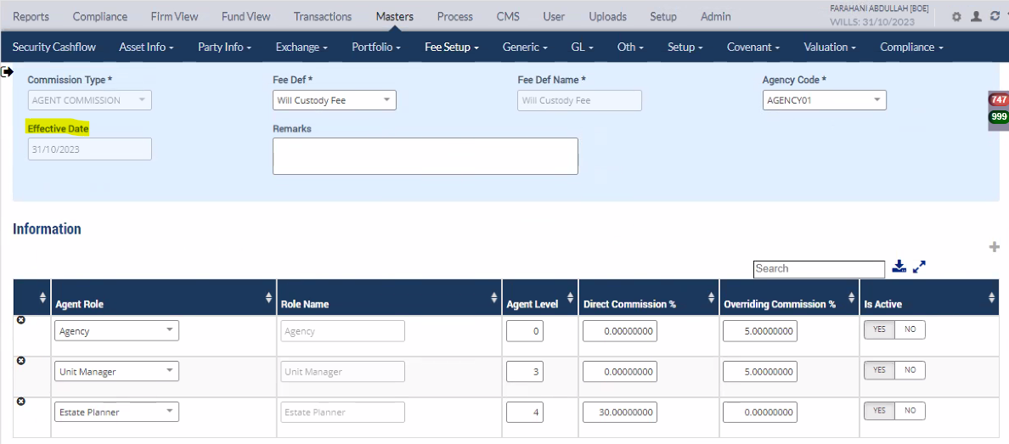

Commission Process

Normal Period
Commission Setup for particular Agency Effective from 01-01-2024(Normal Period)
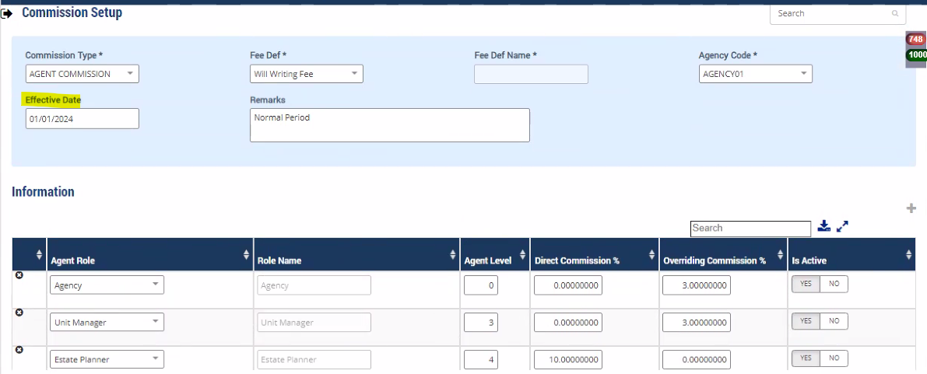

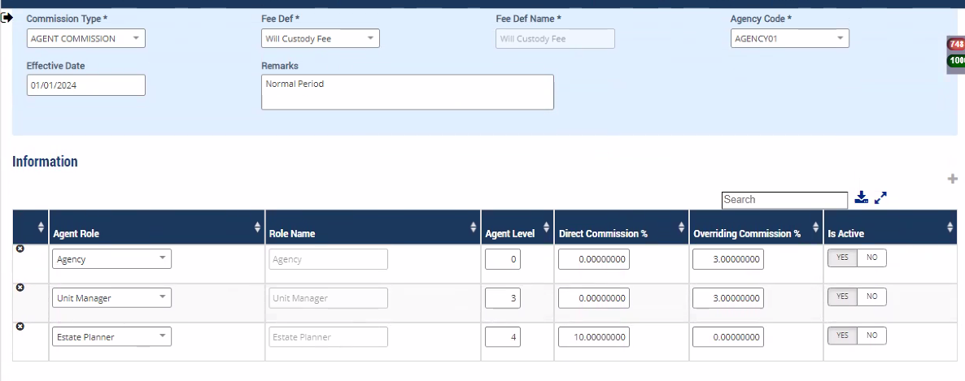

Commission Process

